Sheet1
Test Case # | Test Case Name | Test Steps | Test Data | Expected Results | Evidence | Pass / Fail
 |  |  |  |  | (ref to Screen Capture)
1 | Add | input int value and Press 'Add' button | 111 | Added and show '111' listbox | 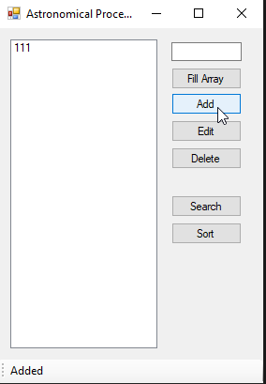 | O
2 | status strip message | input int value and Press 'Add' button | 111 | "Added" |  | O
3 | Fill Array | input some data first, then put 'Fill Array' button | 111 222 333 | The number enteded first has been preserved and add fill random numbers | 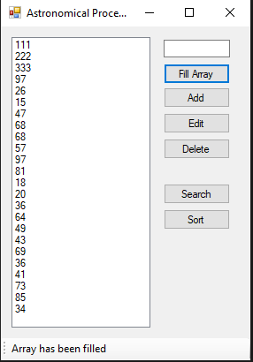 | O
4 | status strip message | input some data first, then put 'Fill Array' button | 111 222 333 | "Array has been filled" |  | O
5 | Add exception | already filled 24 numbers then try to add another number | 555 | Cannot added | 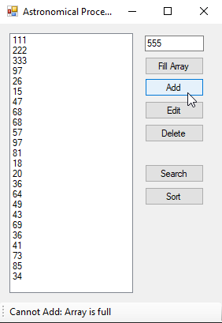 | O
6 | status strip message | already filled 24 numbers then try to add another number | 555 | "Cannot Add: Array is full" |  | O
7 | Add exception | try to add "aa" | aa | Cannot added | 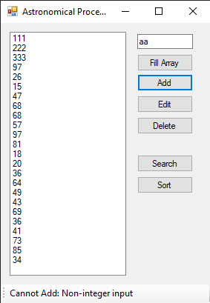 | O
8 | status strip message | try to add "aa" | aa | "Cannot Add: Non-integer input" |  | O
9 | Selected item | select 222 from listbox | 222 | 222 shows inputbox and can edit | 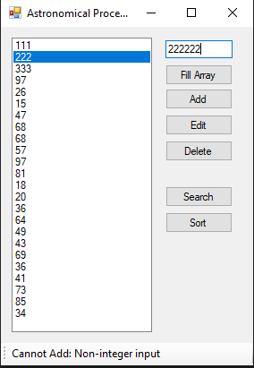 | O
10 | Edit | select 222 from listbox then change 222222 and press 'Edit' button | 222 | 222 will change 222222 | 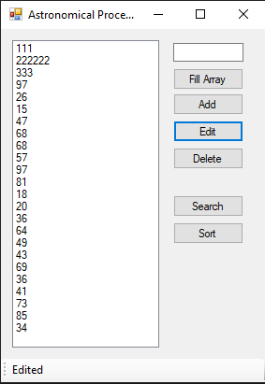 | O
11 | status strip message | select 222 from listbox then change 222222 and press 'Edit' button | 222 | "Edited" |  | O
12 | Delete | select 1st item and press 'Delete' button | 111 | Confirmation box pop-up If click 'Yes' Delete and disapear from listbox | 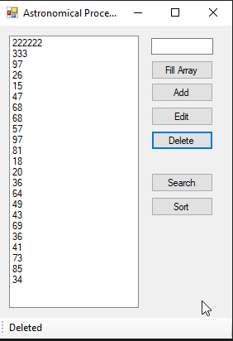 | O
13 | status strip message | select 1st item and press 'Delete' button | 111 | "Deleted" |  | O
14 | Delete | select 1st item and press 'Delete' button | 111 | Confirmation box pop-up If click 'No' Do not delete | 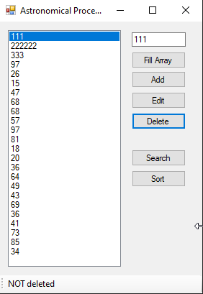 | O
15 | status strip message | select 1st item and press 'Delete' button | 111 | "Not deleted" |  | O
16 | Sort | Press 'Fill Array' button then press 'Sort' button |  | Shows result of bubble sort | 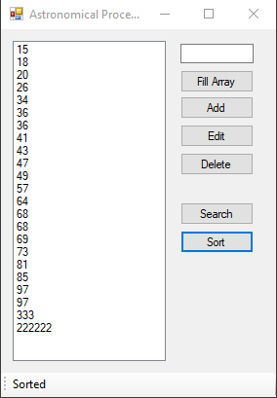 | O
17 | status strip message | Press 'Fill Array' button then press 'Sort' button |  | "Sorted" |  | O
18 | Search | Press 'Fill Array' button then input one number from listbox and press 'Search' button | 333 | highlight searched item and clear inputbox | 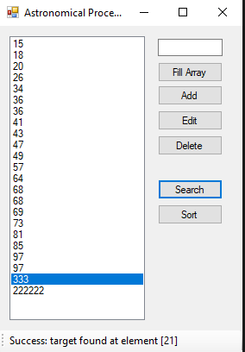 | O
19 | status strip message | Press 'Fill Array' button then input one number from listbox and press 'Search' button | 333 | "Success: target found at element []" |  | O
20 | Search | Press 'Fill Array' button then input one number from listbox and press 'Search' button | 3434 | nothing happen | 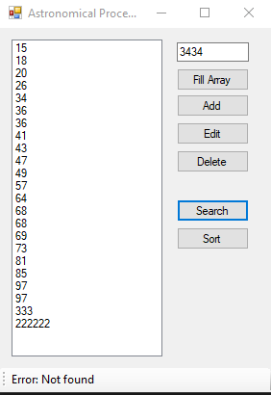 | O
21 | status strip message | Press 'Fill Array' button then input one number from listbox and press 'Search' button | 3434 | "Error: Not found" |  | O
22 | Add exception | nothing input and press 'Add' |  | status strip message : "Cannot Add: Text box is empty" | 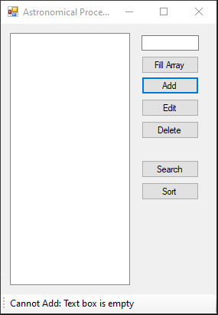 | O
23 | Edit exception | nothing input and press 'Edit' |  | status strip message : "Cannot Edit: Text box is empty" | 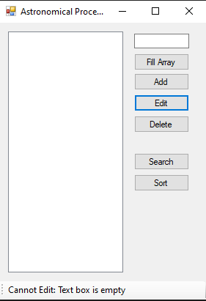 | O
24 | Delete exception | nothing input and press 'Delete' |  | status strip message : "Cannot Delete: Text box is empty" | 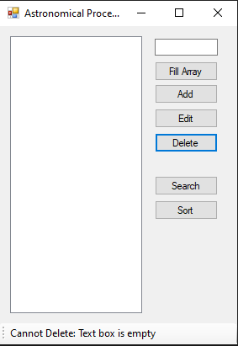 | O
25 | status strip message | nothing select from listbox |  | status strip message : "No task selected" | 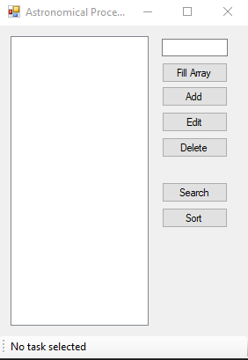 | O

